User_Screw_Compute
1 - To fill / Screw informations |  |  |  | Cells to fill by user
Screw diameter | 14 | mm |  | Cells automatically filled
Thread | 1.5 | mm
Quality class | 11.9 | * |  |  |  |  |  |  | 6 - Optional / Risk simulation
 |  |  |  |  |  |  |  |  | Current CAE results
2 - Infos / Screw force failure |  |  |  |  |  |  |  |  | CAE Traction force max | 52,768 | N | Give as input the force values when risk is maximum in CAE
Traction force max | 137,000 | N |  |  |  |  |  |  | CAE Shear force max | 18,903 | N
Shear force max | 82,040 | N |  |  |  |  |  |  | CAE Mohr risk | 0.45 | *
 |  |  |  |  |  |  |  |  | with initial tightening risk | 0.37 | * | (default = nominal = 0.37)
3 - Infos / Nominal force tightening |  |  |  | 4 - Optional / Tightening based on user torque |  |  |  |  | Analytics trials with screw modification
Torque | XCOG Quad ABCD |  | OR | Torque | 43 | N.m |  |  | M10 - 1.5 - 11.9 |  |  | Select a different screw (Diameter - Thread - Class quality)
Tool class |  |  |  | Tool class | Classe M | * |  |  | with initial tightening risk | 0.27 | *
Nominal tightening force | 50,900 | N |  | Tightening force | 11,300 | N |  |  | New estimated CAE Mohr risk | 0.86 | *
Tightening risk | 0.37 | * |  | Tightening risk | 0.08 | * |  |  | /!\ Assumption: Screw change doesn't affect the loading force, which could be wrong if diameter is modified /!\
 |  |  |  | Warning! Torque value is below Norm value -> Risk of sheet tearing or screw escape

5 - Infos / Torque & tightening values based on Norm
Diameter x Thread | Tightening tool | Class quality 11.9
 |  | Cs nominal (N.m) | Fo min (N) | Fo max (N) & Cs max (N.m)
14 x 1.5 | Class A | 188.5 | 55,387 | 88538 N for 197.9 N.m
 | Class B | 179.9 | 50,086
 | Class M | 172.1 | 45,247
 | Class C | 164.9 | 40,811
 | Class D | 146.6 | 29,475
 | Class E | 136.5 | 23,220
 |  | Nominal | 50900

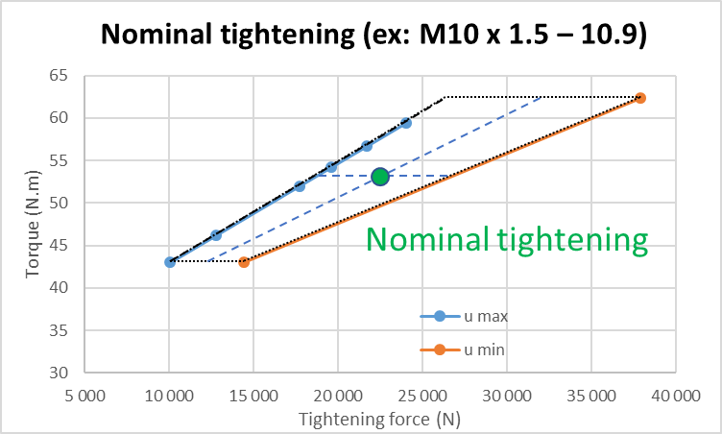
[DYNAMIC] Tightening area from Norm + Nominal value
 | Friction max |  | Friction min |  | COG Area
23220 | 136.5 | 33583 | 136.5 | 50900 | 167.2
29475 | 146.6
40811 | 164.9
45247 | 172.1
50086 | 179.9
55387 | 188.5
61217 | 197.9 | 88538 | 197.9
 |  |  |  |  |  | Friction max |  | Friction min |  | COG Area
 |  |  |  |  |  | X | Y | X | Y | X | Y
 |  |  |  |  |  | 23,220 | 136.5 | 33,583 | 136.5 | 50900 | 167.2
 |  |  |  |  |  | 29,475 | 146.6
 |  |  |  |  |  | 40,811 | 164.9
 |  |  |  |  |  | 45,247 | 172.1
 |  |  |  |  |  | 50,086 | 179.9
 |  |  |  |  |  | 55,387 | 188.5
 |  |  |  |  |  | 61,217 | 197.9 | 88,538 | 197.9

